Title

VMware Solution

VMware Pro Cloud Service for Private Cloud Infrastructure
Component: VMware Cloud Foundation Operations for logs
Configuration Workbook
for
<Customer>
Prepared by
<Consultant>
Professional Services | VMware by Broadcom
<consultant>@broadcom.com

VMware and Customer Confidential

Deploy VCFOL - Roles and Creds
VMware Cloud Foundation Operations for logs - Roles and Credentials |  |  |  |  |  |  | Updated: 5/27/20
 |  | Product Version | 9.0
Appliance Usernames and Passwords (Built-In Accounts) | Source | Destination | Username | Password | Required Role | Description
VMware Cloud Foundation Operations for logs Root account |  |  | root
VMware Cloud Foundation Operations for logs Admin Account (Initial Cluster Setup) |  |  | admin |  |  | NOTE: This is the password specified when first configuring the cluster. https://<vRops IP>/admin/newCluster.action
Service Accounts
Service account for integration of Active Directory in VMware Cloud Foundation Operations for logs for user authentication | VMware Cloud Foundation Operations for logs | Active Directory | svc-vrops | Document the passwords here if the Customer is comfortable with having them documented; otherwise, communicate the password to the Customer in an approved manner. | (none) | Service account for integration of Active Directory in VMware Cloud Foundation Operations for logs for user authentication
Service account for vSphere endpoint adapter instance within VMware Cloud Foundation Operations for logs | VMware Cloud Foundation Operations for logs | vCenter Server | svc-vrops-vsphere |  | Read-only | Provides the following access control features: - The adapters in VMware Cloud Foundation Operations for logs access vSphere with the minimum set of permissions that are required to collect metrics and perform permitted actions. - In the event of a compromised account, the accessibility in the destination application remains restricted. - You can introduce improved accountability in tracking request-response interactions between the components of the SDDC.
Service account for NSX endpoint adapter instance within VMware Cloud Foundation Operations for logs | VMware Cloud Foundation Operations for logs | vCenter Server NSX for vSphere | svc-vrops-nsx |  | Read-Only (vCenter Server) Enterprise Administrator (NSX) | Provides the following access control features: - The adapters in VMware Cloud Foundation Operations for logs access NSX-T Data Center with the minimum set of permissions that are required for metric collection and topology mapping. - In the event of a compromised account, the accessibility in the destination application remains restricted. - You can introduce improved accountability in tracking request-response interactions between the components of the SDDC.
Service account for vSAN endpoint adapter instance within VMware Cloud Foundation Operations for logs | VMware Cloud Foundation Operations for logs | vCenter Server | svc-vrops-vsan |  | MPSD Metrics User | Provides the following access control features: - The adapters in VMware Cloud Foundation Operations for logs access vSphere with the minimum set of permissions that are required to collect metrics about vSAN inventory objects. - In the event of a compromised account, the accessibility in the destination application remains restricted. - You can introduce improved accountability in tracking request-response interactions between the components of the SDDC.
Service account for application to application communication adapter instance within VMware Cloud Foundation Operations for logs | VMware Cloud Foundation Operations for logs | vCenter Server | svc-vrops-mpsd |  | MPSD Metrics User | Provides the following access control features: - The adapters in VMware Cloud Foundation Operations for logs access vSphere with the minimum set of permissions that are required to collect metrics about vSphere inventory objects. - In the event of a compromised account, the accessibility in the destination application remains restricted. - You can introduce improved accountability in tracking request-response interactions between the components of the SDDC.
Service account for collecting data in VMware Cloud Foundation Operations for logs about the workloads in vRealize Automation | VMware Cloud Foundation Operations for logs | vRealize Automation | svc-vrops-vra |  | IaaS Administrator Infrastructure Architect Software Architect Tenant Administrator Fabric Administrator | Provides the following access control features: - The adapter in VMware Cloud Foundation Operations for logs accesses vRealize Automation with the minimum set of permissions that are required for collecting metrics about provisioned virtual machines and capacity management. - In the event of a compromised account, the accessibility in the destination application remains restricted. - You can introduce improved accountability in tracking request-response interactions between the components of the SDDC.
 |  |  | VMware recommends using the usernames and required roles as defined by the VMware Validated Solution (VVS). This information is available from the VMware website. The VVS documentation contains a Visio diagram that may help visualize the service account "flows."

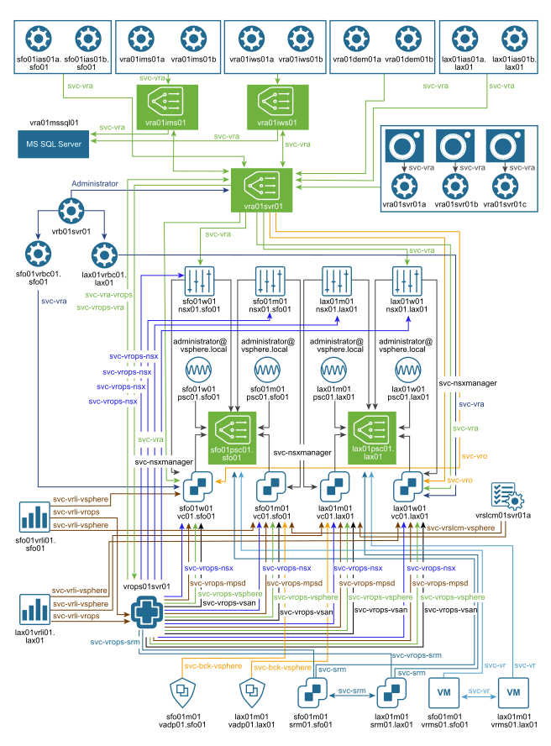

The diagram shown here is available in Visio format via the Deploy VMware Cloud Foundation Operations for logs for Operations Management delivery materials. It is also available via the VMware VVD 6.0 diagram materials (https://communities.vmware.com/docs/DOC-41667) Note: The VVD 6.0 does not contain the service account diagram to the right. The diagram to the right is from VVD 5.1.

Alternate source, https://github.com/tenthirtyam/vvd-diagrams/releases in the 5.1.1 section.

Deploy VCFOL - Content Packs
Deploy VMware Cloud Foundation Operations for logs Centralization and Analysis - Content Packs
 |  | Product Version | 9.0
Global Cluster Parameters | Parameter
Site Name | <value>
Availability Zone # | <value>
Region | <value>

VCFOL Cluster Name/ID | <value>

Activated Out-of-the-box Content Packs |  | Description

Consultant/Architect: Document any out-of-the-box content packs enabled during the engagement. Capture any configuration required for each content pack. Add worksheets if needed.

Imported Content Packs

Consultant/Architect: Document any imported content packs enabled during the engagement. You should include a link to the source content pack. Capture any configuration required for each content pack. Add worksheets if needed.

Custom Content Packs

Consultant/Architect: Document any custom content packs developed during the engagement. Capture any configuration required for each content pack. Add worksheets if needed.

